Chapter 10
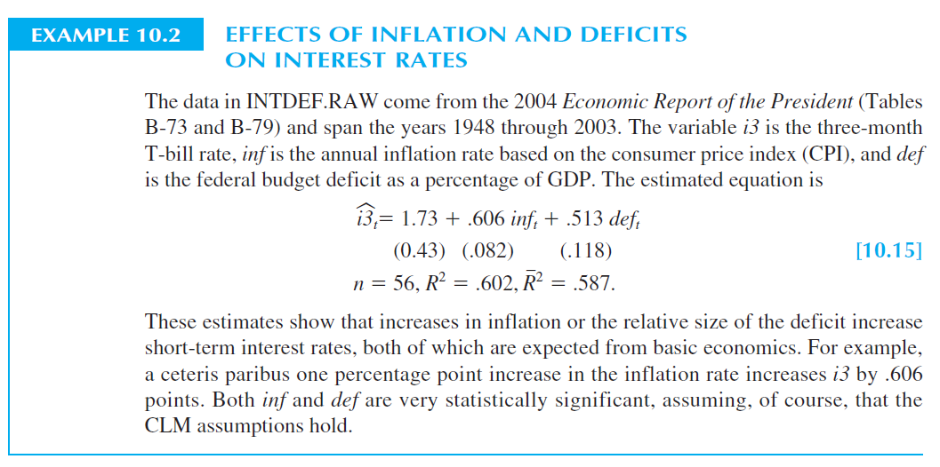
Formula | i3 ~ inf + def

 | Estimate | Std. Error | t value | Pr(>|t|)
(Intercept) | 1.733 | 0.432 | 4.012 | 0.000
inf | 0.606 | 0.082 | 7.376 | 0.000
def | 0.513 | 0.118 | 4.334 | 0.000

n | 56
R2 | 0.602
R2 adj | 0.587

Formula | i3 ~ inf + def + ifelse(year > 1979, 1, 0)

 | Estimate | Std. Error | t value | Pr(>|t|)
(Intercept) | 1.296 | 0.425 | 3.047 | 0.004
inf | 0.608 | 0.076 | 7.979 | 0.000
def | 0.363 | 0.120 | 3.016 | 0.004
ifelse(year > 1979, 1, 0) | 1.559 | 0.506 | 3.082 | 0.003

n | 56
R2 | 0.664
R2 adj | 0.644

corr | 0.097470590884

Formula | i3 ~ inf + dplyr::lag(inf,1) + def + dplyr::lag(def,1)

 | Estimate | Std. Error | t value | Pr(>|t|)
(Intercept) | 1.611 | 0.401 | 4.021 | 0.000
inf | 0.343 | 0.125 | 2.732 | 0.009
dplyr::lag(inf, 1) | 0.382 | 0.134 | 2.859 | 0.006
def | -0.190 | 0.221 | -0.857 | 0.395
dplyr::lag(def, 1) | 0.569 | 0.197 | 2.893 | 0.006

LRP with lags | 0.725
LRP wout lags | 0.606

n | 55
R2 | 0.69
R2 adj | 0.66

SQU | 137.72
SQR | 166.48
N restrictions | 2
Degrees of freedom | 50
Coefficients unrestricted | 5
F-stat | 5.220
F-prob | 0.9%
Significant at the 5% level? | TRUE

